Blad1
 | Offer 250823 Nivea deo 200 ml
Reduced Nart | Art Number | French Description | rounding value | EAN/UPC | Country of Origin | UNITS / CRTN | UNITS / LAYER | UNITS / pallet | Status T2
Nivea Deo |  |  |  |  |  |  |  |  | Total pcs | pallets
80028 | 80028-05405-48 | Spray Deep 200ml | carton | 4005900493033 | Germany | 12 | 420 | 2100 | 5400 | 2.57
81604 | 81604-05405-38 | Spray Dry Comfort 200ml | carton | 4005900480347 | Germany | 12 | 420 | 1680 | 7008 | 4.17
81605 | 81605-05405-48 | Spray Dry impact 200ml | carton | 4005808293674 | Germany | 12 | 420 | 2100 | 7404 | 3.53
81618 | 81618-05415-28 | Spray Fresh Active 200ml | carton | 9005800282657 | Germany | 12 | 420 | 2100 | 7404 | 3.53
81619 | 81619-05600-48 | Spray Dry Fresh 200ml | carton | 4005808816194 | Germany | 12 | 384 | 1536 | 7224 | 4.70
82238 | 82238-05600-48 | Spray Invisible black & white Clear 200ml | carton | 4005900034847 | Germany | 12 | 384 | 1536 | 4008 | 2.61
82242 | 82242-05405-28 | Spray Invisible black & white Power 200ml | carton | 4005900035684 | Germany | 12 | 420 | 2100 | 7404 | 3.53
83732 | 83732-05600-48 | Spray Pearl & Beauty 200ml | carton | 4005808837328 | Germany | 12 | 384 | 1536 | 5400 | 3.52
85997 | 85997-05405-48 | Cool kick 200 ml | carton | 4005808298426 | Germany | 12 | 420 | 2100 | 7008 | 3.34
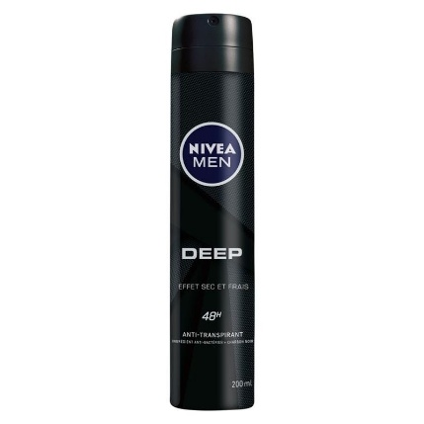
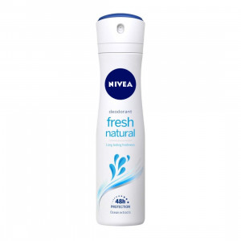
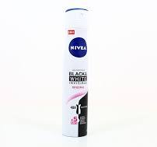
 |  |  |  |  |  |  |  |  | 58260 | 31.49
